10.1
Positive results | In trials of a medical screening test for a particular illness, some of the 324 positive results turned out to be "false positive" (data shown on left). The screening test is okay as long as p, the probability of a positive results being incorrect, is less than 10%. Solve an appropriate hypothesis to show whether there is strong evidence that the screening test is okay. (Use alpha = 0.01)
Positive
Positive
Positive
Positive
Positive
Positive | null hyp:
Positive | alt hyp:
Positive
Positive
Positive
Positive
False positive
Positive
False positive
Positive
Positive
Positive
Positive
Positive
Positive
Positive
Positive
Positive
Positive
Positive
Positive
Positive
Positive
Positive
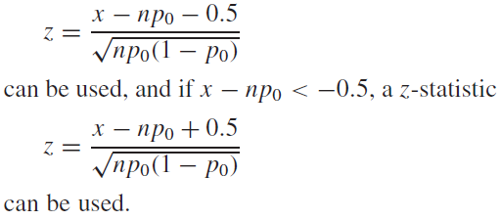
Positive
Positive
Positive
Positive
Positive
Positive
Positive
Positive
Positive
Positive
Positive
Positive
Positive
Positive
Positive
Positive
Positive
Positive
Positive
Positive
Positive
Positive
Positive
Positive
Positive
Positive
Positive
Positive
Positive
Positive
Positive
Positive
Positive
Positive
Positive
False positive
Positive
Positive
Positive
Positive
Positive
Positive
Positive
Positive
Positive
Positive
Positive
Positive
Positive
Positive
Positive
Positive
Positive
Positive
Positive
Positive
Positive
Positive
Positive
Positive
Positive
Positive
Positive
Positive
Positive
Positive
Positive
Positive
Positive
Positive
Positive
Positive
Positive
Positive
Positive
Positive
Positive
Positive
Positive
Positive
Positive
Positive
Positive
Positive
Positive
Positive
Positive
Positive
False positive
Positive
Positive
Positive
Positive
Positive
Positive
Positive
Positive
Positive
Positive
Positive
False positive
Positive
False positive
Positive
Positive
Positive
Positive
False positive
Positive
Positive
False positive
Positive
Positive
Positive
Positive
Positive
Positive
Positive
Positive
Positive
False positive
Positive
Positive
Positive
Positive
Positive
Positive
Positive
Positive
Positive
Positive
Positive
Positive
False positive
Positive
Positive
Positive
Positive
Positive
Positive
Positive
Positive
Positive
False positive
Positive
Positive
Positive
Positive
Positive
False positive
Positive
Positive
Positive
Positive
Positive
Positive
Positive
Positive
Positive
Positive
Positive
Positive
Positive
Positive
False positive
Positive
False positive
Positive
Positive
Positive
Positive
Positive
Positive
Positive
Positive
Positive
Positive
Positive
Positive
Positive
Positive
False positive
Positive
Positive
Positive
Positive
Positive
Positive
Positive
Positive
Positive
Positive
Positive
Positive
Positive
Positive
Positive
Positive
False positive
Positive
Positive
Positive
False positive
Positive
Positive
Positive
Positive
Positive
Positive
Positive
Positive
Positive
Positive
Positive
Positive
Positive
Positive
Positive
Positive
Positive
Positive
Positive
Positive
Positive
Positive
Positive
False positive
Positive
Positive
Positive
Positive
Positive
Positive
Positive
Positive
False positive
Positive
Positive
Positive
Positive
Positive
Positive
Positive
Positive
Positive
Positive
Positive
Positive
Positive
Positive
Positive
Positive
Positive
Positive
Positive
Positive
False positive
Positive
Positive
Positive
False positive
Positive
Positive
Positive
Positive
Positive
Positive
Positive
Positive
Positive
False positive
Positive
Positive
Positive
Positive
Positive
Positive
False positive
Positive
Positive
Positive
Positive
Positive
Positive
Positive
Positive
Positive
Positive
Positive
Positive
Positive
Positive
Positive
Positive
Positive

